Time Results
Time Results

Step I Model GeneRaten Time |  |  |  |  |  |  |  |  | Step II Model Validation Time |  |  |  |  |  |  |  |  | Step III Formal Verification Time |  |  |  |  |  |  |  |  | Step III Repaired Time
STM | Case | Code Line | LLM (s) |  |  |  |  |  | STM | Case | Code Line | LLM (s) |  |  |  |  |  | STM | Case | Code Line | LLM (s) |  |  |  |  |  | STM | Case | Code Line | LLM (s)
 |  |  | GPT-5-mini | GPT-4o | DeepSeek-Reasoner | DeepSeek-Chat | Llama3.3 | Average Time |  |  |  | GPT-5-mini | GPT-4o | DeepSeek-Reasoner | DeepSeek-Chat | Llama3.3 | Average Time |  |  |  | GPT-5-mini | GPT-4o | DeepSeek-Reasoner | DeepSeek-Chat | Llama3.3 | Average Time |  |  |  | GPT-5-mini | GPT-4o | DeepSeek-Reasoner | DeepSeek-Chat | Llama3.3 | Average Time
 | HLDCS | 37 | 55.34 | 2.83 | 91.53 | 11.91 | 13.2 | 34.96 |  | HLDCS | 37 | 1.37 | 1.42 | 1.35 | 1.40 | 1.45 | 1.40 |  | HLDCS | 37 | 0.28 | 0.28 | 0.18 | 0.14 | 0.41 | 0.26 |  | HLDCS | 37 | 33.45 | 0.00 | 0.00 | 11.26 | 0.00 | 8.94
 | HSTBS | 34 | 25.63 | 2.30 | 53.52 | 6.95 | 5.2 | 18.72 |  | HSTBS | 34 | 1.28 | 1.35 | 1.25 | 1.32 | 1.38 | 1.32 |  | HSTBS | 34 | 0.29 | 0.28 | 0.19 | 0.14 | 0.19 | 0.22 |  | HSTBS | 34 | 22.77 | 3.47 | 0.00 | 19.44 | 2.23 | 9.58
 | Real-Time Software Design for Embedded Systems | 32 | 26.60 | 2.11 | 103.39 | 9.57 | 20.6 | 32.45 |  | Real-Time Software Design for Embedded Systems | 32 | 1.22 | 1.28 | 1.20 | 1.25 | 1.30 | 1.25 |  | Real-Time Software Design for Embedded Systems | 32 | 0.44 | 0 | 0.20 | 0.20 | 0.60 | 0.29 |  | Real-Time Software Design for Embedded Systems | 32 | 31.93 | 2.98 | 129.81 | 20.51 | 16.15 | 40.28
 | HSUV | 32 | 37.28 | 2.80 | 100.80 | 6.43 | 3.6 | 30.18 |  | HSUV | 32 | 1.20 | 1.27 | 1.18 | 1.24 | 1.29 | 1.24 |  | HSUV | 32 | 0.28 | 0.27 | 0.18 | 0.13 | 0.38 | 0.25 |  | HSUV | 32 | 21.25 | 3.30 | 60.65 | 23.37 | 0.00 | 21.71
 | Real-Time Software Design for Embedded Systems | 60 | 54.66 | 3.78 | 157.57 | 10.42 | 10.9 | 47.47 |  | Real-Time Software Design for Embedded Systems | 60 | 2.15 | 2.25 | 2.10 | 2.20 | 2.30 | 2.20 |  | Real-Time Software Design for Embedded Systems | 60 | 0.46 | 0.37 | 0.19 | 0.17 | 0.63 | 0.36 |  | Real-Time Software Design for Embedded Systems | 60 | 25.23 | 5.45 | 123.59 | 21.54 | 0.00 | 35.16
 | MOCV | 85 | 77.82 | 3.48 | 128.93 | 11.73 | 11.7 | 46.73 |  | MOCV | 85 | 2.95 | 3.10 | 2.88 | 3.02 | 3.15 | 3.02 |  | MOCV | 85 | 0.40 | 0.38 | 0.32 | 0.18 | 0.50 | 0.36 |  | MOCV | 85 | 28.40 | 5.21 | 167.21 | 22.63 | 0.00 | 44.69
 | DSCS | 39 | 53.34 | 3.61 | 162.83 | 17.31 | 5.9 | 48.60 |  | DSCS | 39 | 1.45 | 1.52 | 1.42 | 1.48 | 1.55 | 1.48 |  | DSCS | 39 | 0.33 | 0.30 | 0.12 | 0.13 | 0.40 | 0.26 |  | DSCS | 39 | 31.55 | 2.82 | 271.52 | 20.12 | 16.55 | 68.51
 | HLDCS | 53 | 34.66 | 3.53 | 155.47 | 15.56 | 12 | 44.25 |  | HLDCS | 53 | 1.88 | 1.95 | 1.85 | 1.92 | 1.98 | 1.92 |  | HLDCS | 53 | 3.78 | 0.36 | 0.23 | 0.17 | 60.50 | 13.01 |  | HLDCS | 53 | 34.11 | 3.79 | 288.14 | 27.13 | 0.00 | 70.63
 | DCS | 98 | 39.43 | 3.71 | 112.40 | 38.38 | 13.9 | 41.56 |  | DCS | 98 | 3.42 | 3.58 | 3.35 | 3.50 | 3.65 | 3.50 |  | DCS | 98 | 0.84 | 0.50 | 0.35 | 0.35 | 0.70 | 0.55 |  | DCS | 98 | 40.87 | 3.31 | 125.19 | 38.38 | 21.70 | 45.89
 | HLDCS | 71 | 92.56 | 4.55 | 273.10 | 22.90 | 27.7 | 84.16 |  | HLDCS | 71 | 2.48 | 2.60 | 2.45 | 2.55 | 2.65 | 2.55 |  | HLDCS | 71 | 4.19 | 0.86 | 3.48 | 14.45 |  | 5.74 |  | HLDCS | 71 | 114.33 | 5.31 | 154.95 | 57.12 | 0.00 | 66.34
 | Average |  | 49.73 | 3.27 | 133.95 | 15.12 | 12.47 |  |  | Average |  | 1.94 | 2.03 | 1.90 | 1.99 | 2.07 |  |  | Average |  | 1.13 | 0.36 | 0.54 | 1.61 | 7.15 |  |  | Average |  | 38.39 | 3.56 | 132.11 | 26.15 | 5.66

Step I Model GeneRaten Time |  |  |  |  |  |  |  |  | Step II Model Validation Time |  |  |  |  |  |  |  |  | Step III Formal Verification Time |  |  |  |  |  |  |  |  | Step III Repaired Time
ACT | Case | Code Line | LLM (s) |  |  |  |  |  | ACT | Case | Code Line | LLM (s) |  |  |  |  |  | ACT | Case | Code Line | LLM (s) |  |  |  |  |  | ACT | Case | Code Line | LLM (s)
 |  |  | GPT-5-mini | GPT-4o | DeepSeek-Reasoner | DeepSeek-Chat | Llama3.3 | Average Time |  |  |  | GPT-5-mini | GPT-4o | DeepSeek-Reasoner | DeepSeek-Chat | Llama3.3 | Average Time |  |  |  | GPT-5-mini | GPT-4o | DeepSeek-Reasoner | DeepSeek-Chat | Llama3.3 | Average Time |  |  |  | GPT-5-mini | GPT-4o | DeepSeek-Reasoner | DeepSeek-Chat | Llama3.3 | Average Time
 | SLCS | 19 | 27.60 | 7.90 | 60.30 | 10.00 | 3.90 | 21.94 |  | SLCS | 19 | 0.83 | 0.88 | 0.80 | 0.85 | 0.90 | 0.85 |  | SLCS | 19 | 0.50 | 0.50 | 0.60 | 1.60 | 0.50 | 0.74 |  | SLCS | 19 | 23.40 | 0.00 | 0.00 | 7.00 | 0.00 | 6.08
 | CSMSS | 21 | 25.00 | 6.00 | 71.30 | 6.50 | 5.10 | 22.78 |  | CSMSS | 21 | 0.92 | 0.98 | 0.89 | 0.94 | 1.00 | 0.95 |  | CSMSS | 21 | 0.40 | 0.50 | 1,2 | 0.40 | 0.50 | 0.45 |  | CSMSS | 21 | 28.80 | 2.80 | 68.80 | 5.30 | 6.80 | 22.50
 | Book DWPS | 30 | 29.60 | 3.80 | 96.80 | 9.20 | 22.90 | 32.46 |  | Book DWPS | 30 | 1.30 | 1.38 | 1.26 | 1.33 | 1.41 | 1.34 |  | Book DWPS | 30 | 0.40 | 0.60 | 0.70 | 0.40 | 0.50 | 0.52 |  | Book DWPS | 30 | 25.30 | 0.00 | 0.00 | 0.00 | 22.90 | 9.64
 | DSCS | 24 | 50.60 | 9.40 | 80.20 | 10.50 | 14.90 | 33.12 |  | DSCS | 24 | 1.05 | 1.12 | 1.02 | 1.08 | 1.14 | 1.08 |  | DSCS | 24 | 1.60 | 0.70 | 0.50 | 0.50 | 0.60 | 0.78 |  | DSCS | 24 | 69.60 | 3.50 | 182.60 | 7.90 | 17.50 | 56.22
 | HSTBS | 33 | 34.20 | 3.70 | 165.60 | 10.60 | 15.90 | 46.00 |  | HSTBS | 33 | 1.43 | 1.52 | 1.39 | 1.47 | 1.55 | 1.47 |  | HSTBS | 33 | 0.50 | 1.10 | 0.50 | 0.50 | 0.50 | 0.62 |  | HSTBS | 33 | 28.50 | 5.10 | 112.40 | 10.50 | 15.90 | 34.48
 | TCIIS | 30 | 17.30 | 3.40 | 120.10 | 6.90 | 6.70 | 30.88 |  | TCIIS | 30 | 1.32 | 1.4 | 1.28 | 1.35 | 1.43 | 1.36 |  | TCIIS | 30 | 2.60 | 1.40 | 0.50 | 0.50 | 0.50 | 1.10 |  | TCIIS | 30 | 31.80 | 2.90 | 130.30 | 7.40 | 13.50 | 37.18
 | DSCS | 32 | 38.30 | 4.10 | 164.40 | 7.30 | 4.40 | 43.70 |  | DSCS | 32 | 1.40 | 1.48 | 1.36 | 1.43 | 1.51 | 1.44 |  | DSCS | 32 | 0.50 | 0.90 | 0.50 | 0.50 | 0.50 | 0.58 |  | DSCS | 32 | 58.50 | 2.30 | 94.40 | 7.00 | 6.40 | 33.72
 | FMS | 54 | 33.80 | 7.00 | 210.70 | 12.40 | 5.30 | 53.84 |  | FMS | 54 | 2.35 | 2.48 | 2.30 | 2.42 | 2.55 | 2.42 |  | FMS | 54 | 0.50 | 0.60 | 2.00 | 0.50 | 0.6 | 0.84 |  | FMS | 54 | 30.50 | 3.60 | 52.80 | 12.40 | 21.10 | 24.08
 | AEPS | 50 | 48.60 | 5.70 | 185.20 | 14.80 | 10.20 | 52.90 |  | AEPS | 50 | 2.18 | 2.3 | 2.12 | 2.24 | 2.36 | 2.24 |  | AEPS | 50 | 0.50 | 1.60 | 0.70 | 0.50 | 0.50 | 0.76 |  | AEPS | 50 | 0.00 | 4.50 | 51.40 | 15.00 | 5.00 | 15.18
 | ACS | 96 | 71.90 | 7.60 | 285.30 | 18.50 | 18.40 | 80.34 |  | ACS | 96 | 4.15 | 4.38 | 4.05 | 4.25 | 4.48 | 4.26 |  | ACS | 96 | 0.50 | 0.60 | 0.80 | 0.50 | 0.50 | 0.58 |  | ACS | 96 | 62.00 | 5.20 | 217.30 | 18.70 | 3.70 | 61.38
 | Average |  | 37.69 | 5.86 | 143.99 | 10.67 | 10.77 |  |  | Average |  | 1.69 | 1.79 | 1.65 | 1.74 | 1.83 |  |  | Average |  | 0.80 | 0.85 | 0.76 | 0.59 | 0.52 |  |  | Average |  | 35.84 | 2.99 | 91.00 | 9.12 | 11.28

Step I Model GeneRaten Time |  |  |  |  |  |  |  |  | Step II Model Validation Time |  |  |  |  |  |  |  |  | Step III Formal Verification Time |  |  |  |  |  |  |  |  | Step III Formal Verification Time
SD | Case | Code Line | LLM (s) |  |  |  |  |  | SD | Case | Code Line | LLM (s) |  |  |  |  |  | SD | Case | Code Line | LLM (s) |  |  |  |  |  | SD | Case | Code Line | LLM (s)
 |  |  | GPT-5-mini | GPT-4o | DeepSeek-Reasoner | DeepSeek-Chat | Llama3.3 | Average Time |  |  |  | GPT-5-mini | GPT-4o | DeepSeek-Reasoner | DeepSeek-Chat | Llama3.3 | Average Time |  |  |  | GPT-5-mini | GPT-4o | DeepSeek-Reasoner | DeepSeek-Chat | Llama3.3 | Average Time |  |  |  | GPT-5-mini | GPT-4o | DeepSeek-Reasoner | DeepSeek-Chat | Llama3.3 | Average Time
 | A practical guide to SysML | 25 | 35.40 | 4.80 | 80.20 | 6.80 | 19.20 | 29.28 |  | A practical guide to SysML | 25 | 1.42 | 1.5 | 1.38 | 1.45 | 1.53 | 1.46 |  | A practical guide to SysML | 25 | 2.02 | 1.58 | 0.34 | 1.94 | 1.81 | 1.54 |  | A practical guide to SysML | 25 | 18.90 | 3.60 | 77.80 | 6.80 | 3.13 | 22.05
 | A practical guide to SysML | 33 | 25.90 | 7.70 | 107.30 | 16.50 | 4.70 | 32.42 |  | A practical guide to SysML | 38 | 2.15 | 2.28 | 2.10 | 2.2 | 2.32 | 2.21 |  | A practical guide to SysML | 38 | 0.32 | 0.33 | 1.79 | 0.37 | 0.35 | 0.63 |  | A practical guide to SysML | 38 | 0.00 | 3.80 | 0.00 | 0.00 |  | 0.95
 | A practical guide to SysML | 38 | 32.00 | 6.10 | 117.10 | 9.60 | 13.80 | 35.72 |  | A practical guide to SysML | 33 | 1.88 | 1.98 | 1.82 | 1.92 | 2.02 | 1.92 |  | A practical guide to SysML | 33 | 0.39 | 0.61 | 0.32 | 1.38 | 4.31 | 1.40 |  | A practical guide to SysML | 33 | 21.60 | 0.00 | 219.60 | 9.20 |  | 62.60
 | A practical guide to SysML | 42 | 36.90 | 9.60 | 179.90 | 15.90 |  | 60.58 |  | BGIGS | 50 | 2.82 | 2.98 | 2.75 | 2.88 | 3.05 | 2.90 |  | BGIGS | 50 | 0.34 | 0.34 | 0.34 | 1.49 | 0.47 | 0.60 |  | BGIGS | 50 | 0.00 | 0.00 | 0.00 | 0.00 |  | 0.00
 | A practical guide to SysML | 49 | 39.50 | 5.60 | 110.40 | 14.40 |  | 42.48 |  | A practical guide to SysML | 42 | 2.38 | 2.52 | 2.32 | 2.43 | 2.56 | 2.44 |  | A practical guide to SysML | 42 | 0.33 | 0.7 | 0.33 | 1.57 | 0.56 | 0.70 |  | A practical guide to SysML | 42 | 0.00 | 4.20 | 0.00 | 0.00 |  | 1.05
 | ACS | 49 | 48.00 | 6.40 | 173.50 | 16.70 |  | 61.15 |  | A practical guide to SysML | 49 | 2.78 | 2.93 | 2.70 | 2.83 | 2.98 | 2.84 |  | A practical guide to SysML | 49 | 0.35 | 0.33 | 0.34 | 0.34 | 0.33 | 0.34 |  | A practical guide to SysML | 49 | 63.00 | 3.60 | 73.40 | 0.00 |  | 35.00
 | BGIGS | 50 | 38.70 | 10.40 | 123.30 | 20.60 |  | 48.25 |  | EMUTC | 56 | 3.18 | 3.35 | 3.08 | 3.23 | 3.42 | 3.25 |  | EMUTC | 56 | 1.19 | 0.33 | 0.35 | 0.36 | 0.36 | 0.52 |  | EMUTC | 56 | 37.20 | 3.60 | 56.90 | 21.10 |  | 29.70
 | EMUTC | 56 | 30.00 | 17.20 | 147.10 | 17.20 |  | 52.88 |  | ACS | 49 | 2.75 | 2.9 | 2.68 | 2.8 | 2.95 | 2.82 |  | ACS | 49 | 2.05 | 0.42 | 2.15 | 0.43 | 0.43 | 1.10 |  | ACS | 49 | 27.90 | 4.80 | 186.90 | 17.10 |  | 59.18
 | FMS | 69 | 67.30 | 10.60 | 151.10 | 21.30 |  | 62.58 |  | FMS | 69 | 3.88 | 4.1 | 3.80 | 3.95 | 4.18 | 3.98 |  | FMS | 69 | 0.52 | 0.5 | 0.53 | 0.51 | 0.51 | 0.51 |  | FMS | 69 | 52.60 | 7.60 | 163.70 | 21.20 |  | 61.28
 | FMS | 96 | 82.40 | 18.20 | 155.40 | 40.10 |  | 74.03 |  | FMS | 96 | 5.42 | 5.72 | 5.28 | 5.52 | 5.85 | 5.56 |  | FMS | 96 | 1.17 | 0.38 | 0.70 | 0.41 | 0.37 | 0.61 |  | FMS | 96 | 31.10 | 8.80 | 172.70 | 39.30 |  | 62.98
 | Average |  | 43.61 | 9.66 | 134.53 | 17.91 | 12.57 |  |  | Average |  | 2.87 | 3.03 | 2.79 | 2.92 | 3.09 |  |  | Average |  | 0.87 | 0.55 | 0.72 | 0.88 | 0.95 |  |  | Average |  | 25.23 | 4.00 | 95.10 | 11.47 | 3.13

 |  | GeneRaten Time | Validation Time | Verification Time | Repaired Time | Sum Time |  |  |  |  | GeneRaten Time | Validation Time | Verification Time | Repaired Time | Sum Time |  |  |  |  | GeneRaten Time | Validation Time | Verification Time | Repaired Time | Sum Time
STM | GPT-5-mini | 49.73 | 1.94 | 1.13 | 38.39 | 91.19 |  |  | ACT | GPT-5-mini | 37.69 | 1.69 | 0.80 | 35.84 | 76.02 |  |  | SD | GPT-5-mini | 43.61 | 2.87 | 0.87 | 25.23 | 72.57
 | GPT-4o | 3.27 | 2.03 | 0.36 | 3.56 | 9.23 |  |  |  | GPT-4o | 5.86 | 1.79 | 0.85 | 2.99 | 11.49 |  |  |  | GPT-4o | 9.66 | 3.03 | 0.55 | 4.00 | 17.24
 | DeepSeek-Reasoner | 133.95 | 1.90 | 0.54 | 132.11 | 268.51 |  |  |  | DeepSeek-Reasoner | 143.99 | 1.65 | 0.76 | 91.00 | 237.39 |  |  |  | DeepSeek-Reasoner | 134.53 | 2.79 | 0.72 | 95.10 | 233.14
 | DeepSeek-Chat | 15.12 | 1.99 | 1.61 | 26.15 | 44.86 |  |  |  | DeepSeek-Chat | 10.67 | 1.74 | 0.59 | 9.12 | 22.12 |  |  |  | DeepSeek-Chat | 17.91 | 2.92 | 0.88 | 11.47 | 33.18
 | Llama3.3 | 12.47 | 2.07 | 7.15 | 5.66 | 27.35 |  |  |  | Llama3.3 | 10.77 | 1.83 | 0.52 | 11.28 | 24.40 |  |  |  | Llama3.3 | 12.57 | 3.09 | 0.95 | 3.13 | 19.73

STM Total Time (s)
ACT Total Time (s)
SD Total Time (s)

Visualization
 |  | GeneRaten Time | Validation Time | Verification Time | Repaired Time | Sum Time |  |  |  | Grammar Passed Rate | Semantic Passed Rate
STM | GPT-5-mini | 49.73 | 1.94 | 1.13 | 38.39 | 91.19 |  | STM | GPT-5-mini | 100.00% | 100.00%
 | GPT-4o | 3.27 | 2.03 | 0.36 | 3.56 | 9.23 |  |  | GPT-4o | 100.00% | 100.00%
 | DeepSeek-Reasoner | 133.95 | 1.90 | 0.54 | 132.11 | 268.51 |  |  | DeepSeek-Reasoner | 100.00% | 100.00%
 | DeepSeek-Chat | 15.12 | 1.99 | 1.61 | 26.15 | 44.86 |  |  | DeepSeek-Chat | 100.00% | 100.00%
 | Llama3.3 | 12.47 | 2.07 | 7.15 | 5.66 | 27.35 |  |  | Llama3.3 | 99.58% | 100.00%

 |  | GeneRaten Time | Validation Time | Verification Time | Repaired Time | Sum Time |  |  |  | Grammar Passed Rate | Semantic Passed Rate
ACT | GPT-5-mini | 37.69 | 1.69 | 0.80 | 35.84 | 76.02 |  | ACT | GPT-5-mini | 100.00% | 100.00%
 | GPT-4o | 5.86 | 1.79 | 0.85 | 2.99 | 11.49 |  |  | GPT-4o | 100.00% | 100.00%
 | DeepSeek-Reasoner | 143.99 | 1.65 | 0.76 | 91.00 | 237.39 |  |  | DeepSeek-Reasoner | 100.00% | 100.00%
 | DeepSeek-Chat | 10.67 | 1.74 | 0.59 | 9.12 | 22.12 |  |  | DeepSeek-Chat | 99.38% | 100.00%
 | Llama3.3 | 10.77 | 1.83 | 0.52 | 11.28 | 24.40 |  |  | Llama3.3 | 100.00% | 100.00%

 |  | GeneRaten Time | Validation Time | Verification Time | Repaired Time | Sum Time |  |  |  | Grammar Passed Rate | Semantic Passed Rate
SD | GPT-5-mini | 43.61 | 2.87 | 0.87 | 25.23 | 72.57 |  | SD | GPT-5-mini | 100.00% | 100.00%
 | GPT-4o | 9.66 | 3.03 | 0.55 | 4.00 | 17.24 |  |  | GPT-4o | 100.00% | 100.00%
 | DeepSeek-Reasoner | 134.53 | 2.79 | 0.72 | 95.10 | 233.14 |  |  | DeepSeek-Reasoner | 100.00% | 100.00%
 | DeepSeek-Chat | 17.91 | 2.92 | 0.88 | 11.47 | 33.18 |  |  | DeepSeek-Chat | 100.00% | 100.00%
 | Llama3.3 | 12.57 | 3.09 | 0.95 | 3.13 | 19.73 |  |  | Llama3.3 | 96.53% | 97.56%

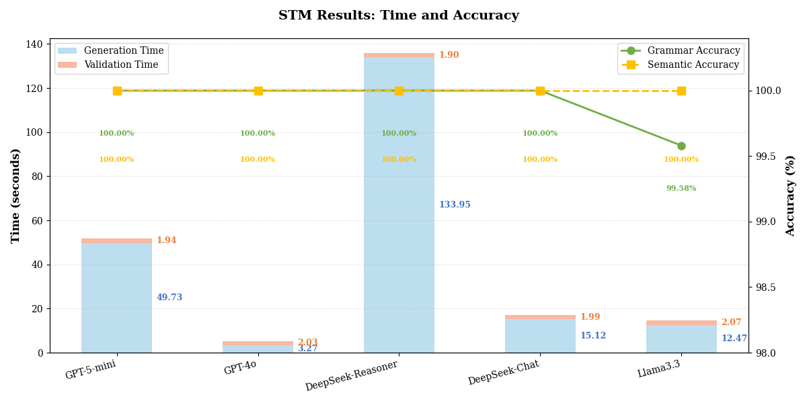
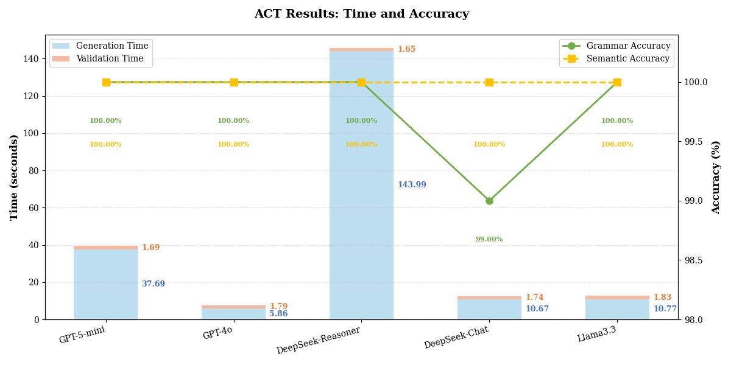
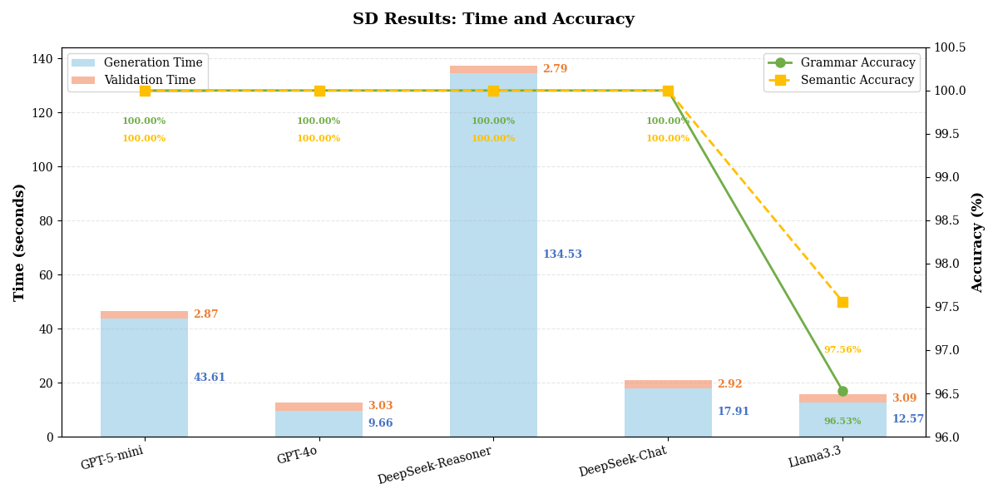

 | LLM
 | GPT-5-mini |  | GPT-4o |  | DeepSeek-Reasoner |  | DeepSeek-Chat |  | Llama3.3
 | First Passed Rate | Second Passed Rate | First Passed Rate | Second Passed Rate | First Passed Rate | Second Passed Rate | First Passed Rate | Second Passed Rate | First Passed Rate | Second Passed Rate
STM | 27.83% | 49.50% | 60.05% | 79.42% | 37.83% | 76.67% | 21.17% | 61.00% | 77.50% | 85.50%
ACT | 54.86% | 80.36% | 60.05% | 79.42% | 55.10% | 94.67% | 49.38% | 66.52% | 45.81% | 66.07%
SD | 72.09% | 98.00% | 69.77% | 88.17% | 62.79% | 86.50% | 72.09% | 91.50% | 67.44% | 80.67%

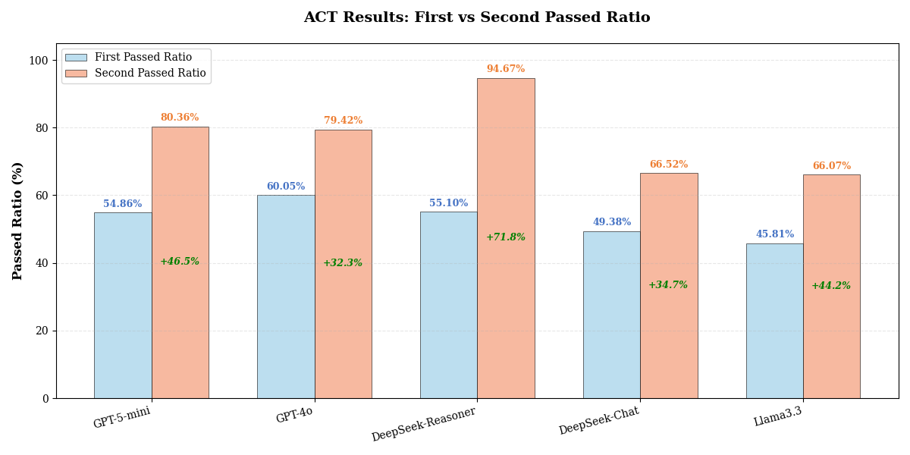
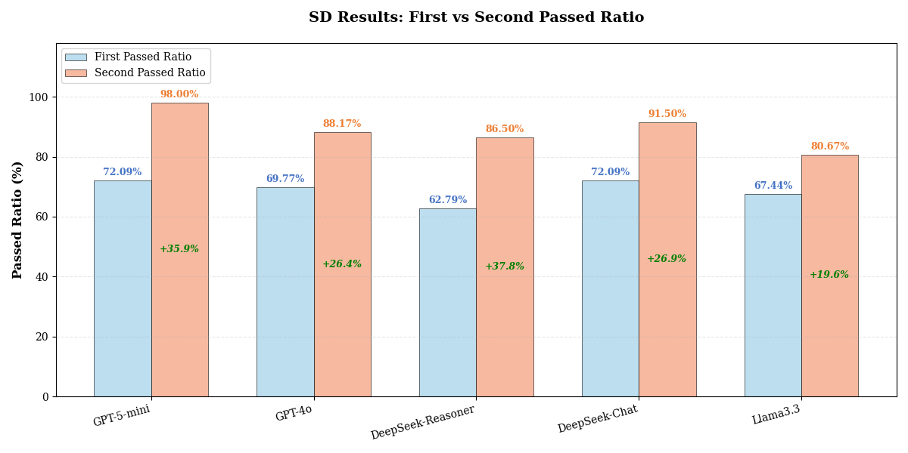
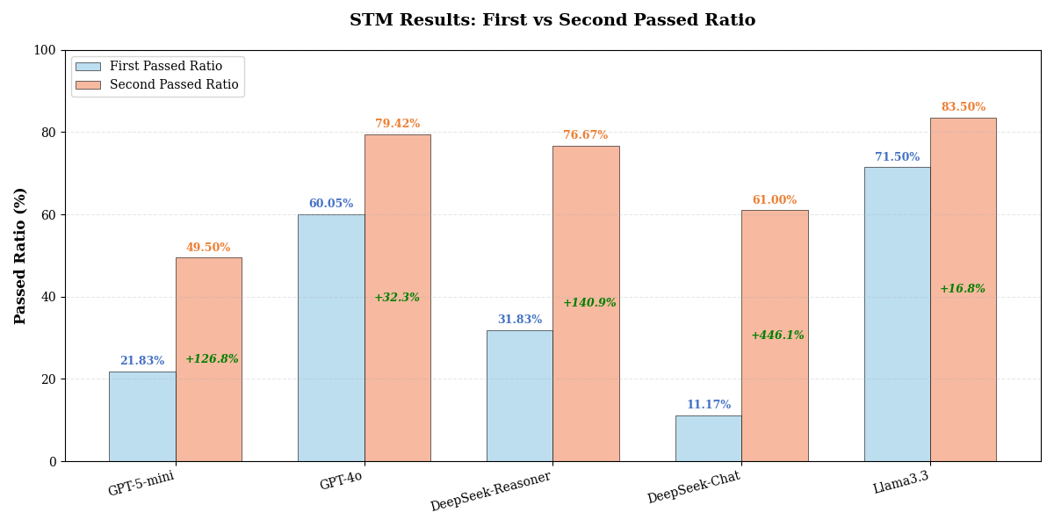

PRE |  | Requirement-Specific | Deadlock | Reachability |  |  | PRE |  | Requirement-Specific | Deadlock | Reachability | PRE |  | Requirement-Specific | Reachability | Deadlock
STM | GPT-5-mini | 7/26 | 2/4 | 4/8 |  |  | ACT | GPT-5-mini | 21/40 | 10/10 | 2/6 | SD | GPT-5-mini | 24/31 | 2/5 | 6/7
 | GPT-4o | 6/26 | 2/4 | 1/8 |  |  |  | GPT-4o | 19/40 | 10/10 | 3/6 |  | GPT-4o | 24/31 | 4/5 | 2/7
 | DeepSeek-Reasoner | 8/26 | 2/4 | 4/8 |  |  |  | DeepSeek-Reasoner | 16/40 | 10/10 | 3/6 |  | DeepSeek-Reasoner | 22/31 | 2/5 | 3/7
 | DeepSeek-Chat | 6/26 | 2/4 | 1/8 |  |  |  | DeepSeek-Chat | 14/40 | 10/10 | 3/6 |  | DeepSeek-Chat | 24/31 | 4/5 | 3/7
 | Llama3.3 | 19/26 | 3/4 | 6/8 |  |  |  | Llama3.3 | 10/40 | 10/10 | 3/6 |  | Llama3.3 | 24/31 | 2/5 | 3/7
POST |  | Requirement-Specific | Deadlock | Reachability |  |  | POST |  | Requirement-Specific | Deadlock | Reachability | POST |  | Requirement-Specific | Reachability | Deadlock
STM | GPT-5-mini | 9/26 | 3/4 | 7/8 |  |  | ACT | GPT-5-mini | 29/40 | 10/10 | 6/6 | SD | GPT-5-mini | 30/31 | 5/5 | 7/7
 | GPT-4o | 8/26 | 1/4 | 6/8 |  |  |  | GPT-4o | 22/40 | 10/10 | 6/6 |  | GPT-4o | 28/31 | 4/5 | 6/7
 | DeepSeek-Reasoner | 20/26 | 2/4 | 7/8 |  |  |  | DeepSeek-Reasoner | 35/40 | 10/10 | 6/6 |  | DeepSeek-Reasoner | 29/31 | 2/5 | 6/7
 | DeepSeek-Chat | 12/26 | 2/4 | 8/8 |  |  |  | DeepSeek-Chat | 19/40 | 10/10 | 5/6 |  | DeepSeek-Chat | 29/31 | 4/5 | 5/7
 | Llama3.3 | 20/26 | 3/4 | 8/8 |  |  |  | Llama3.3 | 19/40 | 10/10 | 5/6 |  | Llama3.3 | 26/31 | 2/5 | 6/7

